TOTAL
Alkalmazott szűrők: Reference type egyezik ezzel: Highlighted references only „QUERY_List_Carrier_name_EDIQ_Act”[LSP] egyezik ezzel: Maersk Date ekkori vagy későbbi a következőnél: 2026.05.25. 0:00:00 és dátuma korábbi, mint 2026.06.01. 0:00:00 SHIPMENT_CANCELLED egyezik ezzel: (Üres) Previous and next 1 year egyezik ezzel: Y KPI_Category nem egyezik ezzel: Mapping

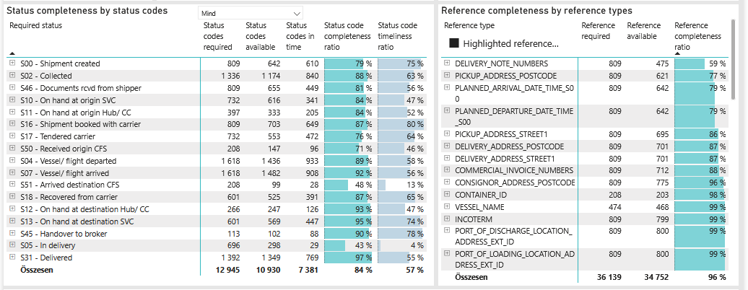
Required status | Status type | „QUERY_List_Carrier_EDIQ_Act”[LSP] | Status codes required | Status codes available | Status codes in time | Status code completeness ratio | Status code timeliness ratio
S00 - Shipment created | Actual | Maersk | 809 | 642 | 610 | 79 % | 75 %
S02 - Collected | Estimated | Maersk | 668 | 599 | 476 | 90 % | 71 %
S02 - Collected | Actual | Maersk | 668 | 575 | 364 | 86 % | 54 %
S46 - Documents rcvd from shipper | Actual | Maersk | 809 | 655 | 449 | 81 % | 56 %
S10 - On hand at origin SVC | Actual | Maersk | 732 | 616 | 341 | 84 % | 47 %
S11 - On hand at origin Hub/ CC | Actual | Maersk | 397 | 333 | 205 | 84 % | 52 %
S16 - Shipment booked with carrier | Actual | Maersk | 809 | 703 | 649 | 87 % | 80 %
S17 - Tendered carrier | Actual | Maersk | 732 | 553 | 472 | 76 % | 64 %
S50 - Received origin CFS | Actual | Maersk | 208 | 147 | 96 | 71 % | 46 %
S04 - Vessel/ flight departed | Estimated | Maersk | 809 | 778 | 672 | 96 % | 83 %
S04 - Vessel/ flight departed | Actual | Maersk | 809 | 658 | 261 | 81 % | 32 %
S07 - Vessel/ flight arrived | Estimated | Maersk | 809 | 774 | 600 | 96 % | 74 %
S07 - Vessel/ flight arrived | Actual | Maersk | 809 | 708 | 308 | 88 % | 38 %
S51 - Arrived destination CFS | Actual | Maersk | 208 | 99 | 28 | 48 % | 13 %
S18 - Recovered from carrier | Actual | Maersk | 601 | 525 | 391 | 87 % | 65 %
S12 - On hand at destination Hub/ CC | Actual | Maersk | 266 | 247 | 126 | 93 % | 47 %
S13 - On hand at destination SVC | Actual | Maersk | 601 | 569 | 447 | 95 % | 74 %
S45 - Handover to broker | Actual | Maersk | 113 | 102 | 88 | 90 % | 78 %
S05 - In delivery | Actual | Maersk | 696 | 298 | 29 | 43 % | 4 %
S31 - Delivered | Estimated | Maersk | 696 | 691 | 539 | 99 % | 77 %
S31 - Delivered | Actual | Maersk | 696 | 658 | 230 | 95 % | 33 %

FCL
Alkalmazott szűrők: TRANSPORT_SERVICE_PRIORITY egyezik ezzel: FCL/FCL/FCL Reference type egyezik ezzel: Highlighted references only „QUERY_List_Carrier_name_EDIQ_Act”[LSP] egyezik ezzel: Maersk Date ekkori vagy későbbi a következőnél: 2026.05.25. 0:00:00 és dátuma korábbi, mint 2026.06.01. 0:00:00 SHIPMENT_CANCELLED egyezik ezzel: (Üres) Previous and next 1 year egyezik ezzel: Y KPI_Category nem egyezik ezzel: Mapping

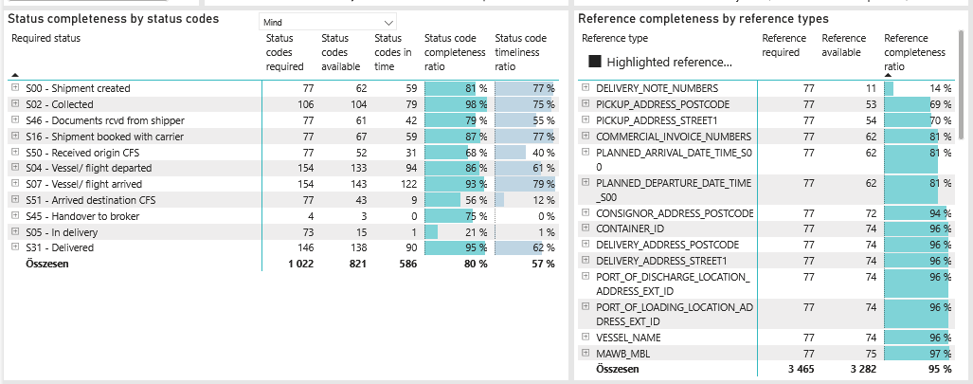
Required status | Status type | „QUERY_List_Carrier_EDIQ_Act”[LSP] | Status codes required | Status codes available | Status codes in time | Status code completeness ratio | Status code timeliness ratio
S00 - Shipment created | Actual | Maersk | 77 | 62 | 59 | 81 % | 77 %
S02 - Collected | Estimated | Maersk | 53 | 53 | 40 | 100 % | 75 %
S02 - Collected | Actual | Maersk | 53 | 51 | 39 | 96 % | 74 %
S46 - Documents rcvd from shipper | Actual | Maersk | 77 | 61 | 42 | 79 % | 55 %
S16 - Shipment booked with carrier | Actual | Maersk | 77 | 67 | 59 | 87 % | 77 %
S50 - Received origin CFS | Actual | Maersk | 77 | 52 | 31 | 68 % | 40 %
S04 - Vessel/ flight departed | Estimated | Maersk | 77 | 74 | 67 | 96 % | 87 %
S04 - Vessel/ flight departed | Actual | Maersk | 77 | 59 | 27 | 77 % | 35 %
S07 - Vessel/ flight arrived | Estimated | Maersk | 77 | 74 | 67 | 96 % | 87 %
S07 - Vessel/ flight arrived | Actual | Maersk | 77 | 69 | 55 | 90 % | 71 %
S51 - Arrived destination CFS | Actual | Maersk | 77 | 43 | 9 | 56 % | 12 %
S45 - Handover to broker | Actual | Maersk | 4 | 3 | 0 | 75 % | 0 %
S05 - In delivery | Actual | Maersk | 73 | 15 | 1 | 21 % | 1 %
S31 - Delivered | Estimated | Maersk | 73 | 73 | 57 | 100 % | 78 %
S31 - Delivered | Actual | Maersk | 73 | 65 | 33 | 89 % | 45 %

BCO
Alkalmazott szűrők: TRANSPORT_SERVICE_PRIORITY egyezik ezzel: LCL/FCL/FCL Reference type egyezik ezzel: Highlighted references only „QUERY_List_Carrier_name_EDIQ_Act”[LSP] egyezik ezzel: Maersk Date ekkori vagy későbbi a következőnél: 2026.05.25. 0:00:00 és dátuma korábbi, mint 2026.06.01. 0:00:00 SHIPMENT_CANCELLED egyezik ezzel: (Üres) Previous and next 1 year egyezik ezzel: Y KPI_Category nem egyezik ezzel: Mapping

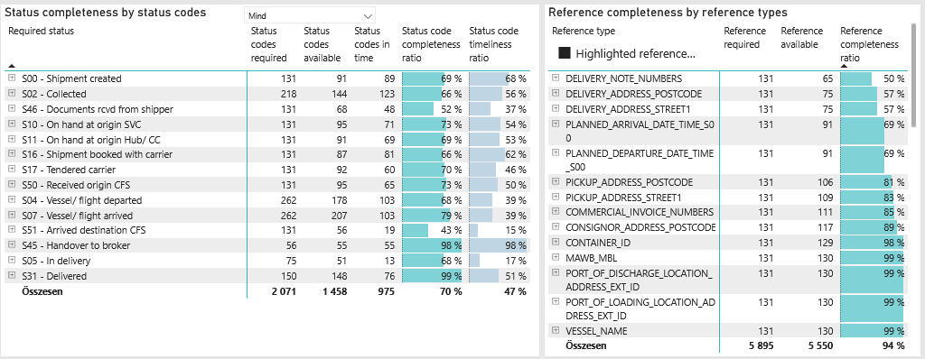
Required status | Status type | „QUERY_List_Carrier_EDIQ_Act”[LSP] | Status codes required | Status codes available | Status codes in time | Status code completeness ratio | Status code timeliness ratio
S00 - Shipment created | Actual | Maersk | 131 | 91 | 89 | 69 % | 68 %
S02 - Collected | Estimated | Maersk | 109 | 73 | 67 | 67 % | 61 %
S02 - Collected | Actual | Maersk | 109 | 71 | 56 | 65 % | 51 %
S46 - Documents rcvd from shipper | Actual | Maersk | 131 | 68 | 48 | 52 % | 37 %
S10 - On hand at origin SVC | Actual | Maersk | 131 | 95 | 71 | 73 % | 54 %
S11 - On hand at origin Hub/ CC | Actual | Maersk | 131 | 91 | 69 | 69 % | 53 %
S16 - Shipment booked with carrier | Actual | Maersk | 131 | 87 | 81 | 66 % | 62 %
S17 - Tendered carrier | Actual | Maersk | 131 | 92 | 60 | 70 % | 46 %
S50 - Received origin CFS | Actual | Maersk | 131 | 95 | 65 | 73 % | 50 %
S04 - Vessel/ flight departed | Estimated | Maersk | 131 | 124 | 83 | 95 % | 63 %
S04 - Vessel/ flight departed | Actual | Maersk | 131 | 54 | 20 | 41 % | 15 %
S07 - Vessel/ flight arrived | Estimated | Maersk | 131 | 130 | 83 | 99 % | 63 %
S07 - Vessel/ flight arrived | Actual | Maersk | 131 | 77 | 20 | 59 % | 15 %
S51 - Arrived destination CFS | Actual | Maersk | 131 | 56 | 19 | 43 % | 15 %
S45 - Handover to broker | Actual | Maersk | 56 | 55 | 55 | 98 % | 98 %
S05 - In delivery | Actual | Maersk | 75 | 51 | 13 | 68 % | 17 %
S31 - Delivered | Estimated | Maersk | 75 | 74 | 22 | 99 % | 29 %
S31 - Delivered | Actual | Maersk | 75 | 74 | 54 | 99 % | 72 %

LCL
Alkalmazott szűrők: TRANSPORT_SERVICE_PRIORITY egyezik ezzel: LCL/LCL/LCL Reference type egyezik ezzel: Highlighted references only „QUERY_List_Carrier_name_EDIQ_Act”[LSP] egyezik ezzel: Maersk Date ekkori vagy későbbi a következőnél: 2026.05.25. 0:00:00 és dátuma korábbi, mint 2026.06.01. 0:00:00 SHIPMENT_CANCELLED egyezik ezzel: (Üres) Previous and next 1 year egyezik ezzel: Y KPI_Category nem egyezik ezzel: Mapping
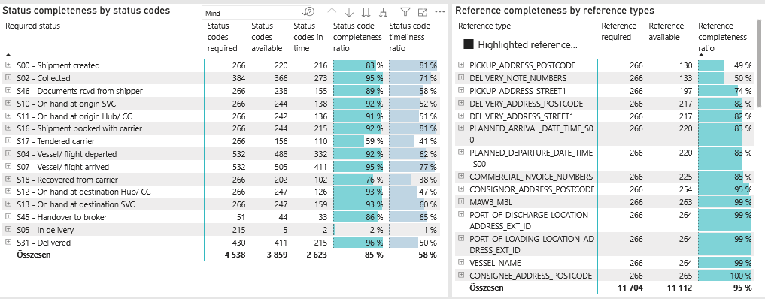
Required status | Status type | „QUERY_List_Carrier_EDIQ_Act”[LSP] | Status codes required | Status codes available | Status codes in time | Status code completeness ratio | Status code timeliness ratio
S00 - Shipment created | Actual | Maersk | 266 | 220 | 216 | 83 % | 81 %
S02 - Collected | Estimated | Maersk | 192 | 185 | 158 | 96 % | 82 %
S02 - Collected | Actual | Maersk | 192 | 181 | 115 | 94 % | 60 %
S46 - Documents rcvd from shipper | Actual | Maersk | 266 | 238 | 155 | 89 % | 58 %
S10 - On hand at origin SVC | Actual | Maersk | 266 | 244 | 138 | 92 % | 52 %
S11 - On hand at origin Hub/ CC | Actual | Maersk | 266 | 242 | 136 | 91 % | 51 %
S16 - Shipment booked with carrier | Actual | Maersk | 266 | 244 | 215 | 92 % | 81 %
S17 - Tendered carrier | Actual | Maersk | 266 | 156 | 110 | 59 % | 41 %
S04 - Vessel/ flight departed | Estimated | Maersk | 266 | 262 | 224 | 98 % | 84 %
S04 - Vessel/ flight departed | Actual | Maersk | 266 | 226 | 108 | 85 % | 41 %
S07 - Vessel/ flight arrived | Estimated | Maersk | 266 | 263 | 223 | 99 % | 84 %
S07 - Vessel/ flight arrived | Actual | Maersk | 266 | 242 | 188 | 91 % | 71 %
S18 - Recovered from carrier | Actual | Maersk | 266 | 202 | 102 | 76 % | 38 %
S12 - On hand at destination Hub/ CC | Actual | Maersk | 266 | 247 | 126 | 93 % | 47 %
S13 - On hand at destination SVC | Actual | Maersk | 266 | 247 | 159 | 93 % | 60 %
S45 - Handover to broker | Actual | Maersk | 51 | 44 | 33 | 86 % | 65 %
S05 - In delivery | Actual | Maersk | 215 | 5 | 2 | 2 % | 1 %
S31 - Delivered | Estimated | Maersk | 215 | 215 | 184 | 100 % | 86 %
S31 - Delivered | Actual | Maersk | 215 | 196 | 31 | 91 % | 14 %

